JEVPS order form
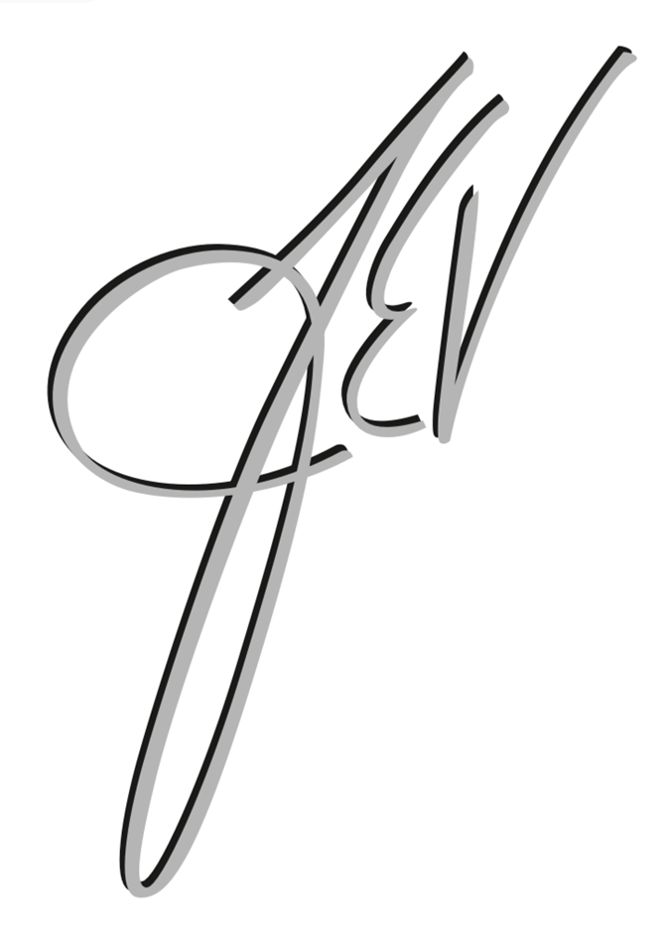 Plastic Surgery & Medical Aesthetics

Fax to 410-484-2566
Email to Danielle@jevps.com |  | If you are faxing in your order please make sure you fill everything out on the computer before you print

ACCOUNT INFORMATION
Name: |  |  | Credit Card #:
Date of Order: |  |  | Exp Date: |  | CVV:
Billing Address:
Mailing address:
Do products need to be shipped? |  |  | (If products total less than $300 a flat fee of $10 shipping will be added)
Phone Number:
Are you scheduled for your next appointment? |  |  | If not, would you like us to call to get you scheduled?

TOTAL
Subtotal: | $-
Discount: | $-

 |  |  | GRAND ORDER TOTAL

Cleanse
ORDER QTY | PRODUCT NAME |  |  | UNIT PRICE |  | TOTAL COST
 | Exfoliating Cleanser Normal to Oily Skin |  |  | $49.00 |  | $-
 | Hydrating Cleanser Normal to Dry Skin |  |  | $49.00 |  | $-
 | Gentle Cleanser All Skin Types |  |  | $49.00 |  | $-
 | AHA/BHA Cleanser |  |  | $48.00 |  | $-
 | Skin Medica Facial Cleanser |  |  | $40.00 |  | $-
 | VI Derm Gentle Purifying Cleanser |  |  | $40.00 |  | $-
 | Sensitive Skin Cleanser |  |  | $40.00 |  | $-
 | IS Clinical Cleansing Complex |  |  | $44.00 |  | $-

Tone
ORDER QTY | PRODUCT NAME |  |  | UNIT PRICE |  | TOTAL COST
 | Complexion Renewal Pads |  |  | $59.00 |  | $-
 | Oil Control Pads |  |  | $70.00 |  | $-
 | Calming Toner pH Balancer |  |  | $46.00 |  | $-

Exfoliate
ORDER QTY | PRODUCT NAME |  |  | UNIT PRICE |  | TOTAL COST
 | Exfoliating Polish |  |  | $71.00 |  | $-
 | Dual Action Scrub |  |  | $80.00 |  | $-
 | Exfoliation Accelerator |  |  | $82.00 |  | $-
 | AHA/BHA cream (exfoliate/brighten) |  |  | $48.00 |  | $-
 | Enzymatic Peel |  |  | $85.00 |  | $-
 | Alastin Resurface Skin Polish |  |  | $62.00 |  | $-

Anti-Aging
ORDER QTY | PRODUCT NAME |  |  | UNIT PRICE |  | TOTAL COST
 | Daily Power Defense |  |  | $173.00 |  | $-
 | ZO Growth Factor Serum |  |  | $168.00 |  | $-
 | Instant Pore Refiner |  |  | $65.00 |  | $-
 | Lumivive Day/Night |  |  | $268.00 |  | $-
 | TNS Advanced Serum |  |  | $295.00 |  | $-
 | Alastin Nectar (Supports collagen production/improves fine lines & wrinkles) |  |  | $210.00 |  | $-
 | Alastin Restorative Skin |  |  | $210.00 |  | $-
 | Wrinkle + Texture Repair |  |  | $159.00 |  | $-
 | Radical Night Repair |  |  | $185.00 |  | $-
 | SoMe PRP Skincare (3 Month Supply) |  |  | $1,200.00 |  | $-
 | Illuminating AOX |  |  | $178.00 |  | $-

Neck
ORDER QTY | PRODUCT NAME |  |  | UNIT PRICE |  | TOTAL COST
 | Firming Serum |  |  | $249.00 |  | $-
 | Alastin Neck Complex |  |  | $123.00 |  | $-
 | Skin Medica Neck Correct |  |  | $135.00 |  | $-

Tretinoin/Retinols
ORDER QTY | PRODUCT NAME |  |  | UNIT PRICE |  | TOTAL COST
 | Tretinoin 0.05% - RX |  |  | $95.00 |  | $-
 | Tretinoin 0.05% Gel- RX |  |  | $95.00 |  | $-
 | Tretinoin 0.1% - RX |  |  | $105.00 |  | $-
 | Retinol Complex .025% |  |  | $64.00 |  | $-
 | Retinol Complex .05% |  |  | $80.00 |  | $-
 | Retinol Complex .1% |  |  | $96.00 |  | $-

Brightening
ORDER QTY | PRODUCT NAME |  |  | UNIT PRICE |  | TOTAL COST
 | 10% Vitamin C Self-Activating |  |  | $108.00 |  | $-
 | Brightalive® Skin Brightener |  |  | $145.00 |  | $-
 | Pigment Control Crème 4% HQ - Rx |  |  | $77.00 |  | $-
 | Vitamin C&E Complex |  |  | $106.00 |  | $-
 | Vi Derm HQ Plus |  |  | $90.00 |  | $-
 | Lytera |  |  | $160.00 |  | $-
 | IS Clinical Brightening Serum |  |  | $135.00 |  | $-
 | Super Serum |  |  | $155.00 |  | $-

Moisturize
ORDER QTY | PRODUCT NAME |  |  | UNIT PRICE |  | TOTAL COST
 | ZO Hydrating Crème |  |  | $120.00 |  | $-
 | HA5 |  |  | $184.00 |  | $-
 | Dermal Repair Cream |  |  | $134.00 |  | $-
 | Skin Medica Rejuvenative Moisturizer |  |  | $60.00 |  | $-
 | Ceramide Treatment Cream |  |  | $72.00 |  | $-
 | Alastin HA Immerse |  |  | $113.00 |  | $-

Acne & Redness
ORDER QTY | PRODUCT NAME |  |  | UNIT PRICE |  | TOTAL COST
 | Complexion Clearing Masque |  |  | $48.00 |  | $-
 | Rozatrol® |  |  | $94.00 |  | $-
 | Pro-Heal Serum |  |  | $155.00 |  | $-

Sun Protection
ORDER QTY | PRODUCT NAME |  |  | UNIT PRICE |  | TOTAL COST
 | Sunscreen + Primer Broad-Spectrum SPF 30 |  |  | $69.00 |  | $-
 | Daily Sheer Broad-Spectrum SPF 50 |  |  | $74.00 |  | $-
 | Total Defense & Repair Tinted |  |  | $75.00 |  | $-
 | Total Defense & Repair Non-Tinted |  |  | $75.00 |  | $-
 | Skin Medica Essential Defense |  |  | $40.00 |  | $-
 | Alastin HydraTint Pro Mineral (Tinted SPF 36) |  |  | $64.00 |  | $-
 | Alastin SilkSHIELD Mineral Sunscreen (Non-Tinted SPF 30) |  |  | $55.00 |  | $-

Eye Creams/Treatments
ORDER QTY | PRODUCT NAME |  |  | UNIT PRICE |  | TOTAL COST
 | Zo growth factor eye serum |  |  | $130.00 |  | $-
 | Instant Bright Eye Cream |  |  | $92.00 |  | $-
 | TNS Eye Repair |  |  | $106.00 |  | $-
 | Alastin Restorative Eye Treatment |  |  | $99.00 |  | $-
 | Upneeq Eyedrops |  |  | $200.00 |  | $-

Skin Care Kits
ORDER QTY | PRODUCT NAME |  |  | UNIT PRICE |  | TOTAL COST
 | Daily Skincare Program |  |  | $140.00 |  | $-
 | Anti-Aging Program |  |  | $240.00 |  | $-

Hair
ORDER QTY | PRODUCT NAME |  |  | UNIT PRICE |  | TOTAL COST
 | PRP to Scalp (Single Treatment) |  |  | $1,200.00 |  | $-
 | Nutrafol Hair Supplement-Men's (3 Month Supply) |  |  | $199.00 |  | $-
 | Nutrafol Hair Supplement-Womens's (Age 18-44) (3 Month Supply) |  |  | $199.00 |  | $-
 | Nutrafol Hair Supplement-Womens's Balance (45 years old and over-Post Menopausal) (3 Month Supply) |  |  | $199.00 |  | $-
 | Nutrafol Shampoo |  |  | $44.00 |  | $-
 | Nutrafol Conditioner |  |  | $44.00 |  | $-

Lashes
ORDER QTY | PRODUCT NAME |  |  | UNIT PRICE |  | TOTAL COST
 | Latisse-Rx |  |  | $185.00 |  | $-

Scar Treatment
ORDER QTY | PRODUCT NAME |  |  | UNIT PRICE |  | TOTAL COST
 | Silagen |  |  | $75.00 |  | $-

Botox/Dysport
ORDER QTY | PRODUCT NAME |  |  | UNIT PRICE |  | TOTAL COST
 | Botox ($15/ Unit) ***Enter Number of Units in Qty *** |  |  | $15 |  | $-
 | Dysport ($6.50/Unit) ***Enter Number of Units in Qty *** |  |  | $6.50 |  | $-

Filler/Injectable
ORDER QTY | PRODUCT NAME |  |  | UNIT PRICE |  | TOTAL COST
 | Syringe of Filler ($685/Syringe) *** In Qty Enter # of Syringes*** |  |  | $685.00 |  | $-
 | ***If you end up needing a more expensive filler when you come in you can pay the diffrence at that time***
 | Sculptra *** In Qty Enter # of Vials*** |  |  | $850.00 |  | $-

Jane Iredale Makeup (Colors to be chosen in office)
ORDER QTY | PRODUCT NAME |  |  | UNIT PRICE |  | TOTAL COST
 | Amazing Base Loose Powder |  |  | $48.00 |  | $-
 | Pressed Base |  |  | $46.00 |  | $-
 | Amazing Base Refillable Brush |  |  | $58.00 |  | $-
 | Refillable compact (makeup sold separate) |  |  | $20.00 |  | $-
 | Circle Delete Concealer |  |  | $36.00 |  | $-
 | Corrective Color Concealer |  |  | $32.00 |  | $-
 | Disappear Concealer |  |  | $36.00 |  | $-
 | Enlighten Concealer |  |  | $34.00 |  | $-
 | Enlighten Plus Under Eye Concealer |  |  | $44.00 |  | $-
 | Hydration Spray |  |  | $38.00 |  | $-
 | Dream Tint (Tinted Moisturizer) |  |  | $46.00 |  | $-
 | Smooth Affair Primer |  |  | $52.00 |  | $-
 | So-Bronze Bronzing Powder Refill |  |  | $42.00 |  | $-
 | Glow Time Bronzer Stick |  |  | $38.00 |  | $-
 | Glow Time Blush Stick |  |  | $38.00 |  | $-
 | Glow Time Highlighter Stick |  |  | $38.00 |  | $-
 | Great Shape Contour Kit |  |  | $50.00 |  | $-
 | Pure Pressed Blush |  |  | $32.00 |  | $-
 | Eye Shadow Triple |  |  | $32.00 |  | $-
...

